facture vierge
Date :
180 degrés
Baptiste Lamare
65 chemin de font Grumel
Rue des dolmens
46220 Prayssac
06 78 68 99 67
volumes.180.degres@gmail.com
www.180-degres.com
Entreprise Individuel
SIRET : 74992394200017
VAT : FR10749923942
volumes.180.degres@gmail.com
2022 price list
Delivery address :
Billing address :
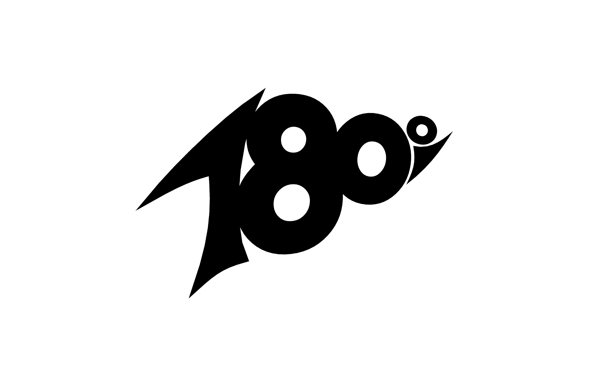
Description | Quantity | Item Price | Total
Pyramide classique XS |  | € 40.00 | € 0.00
Pyramide classique XS Dual texture |  | € 44.00 | € 0.00
Pyramide classique S |  | € 80.00 | € 0.00
Pyramide classique S Dual texture |  | € 88.00 | € 0.00
Pyramide classique M |  | € 110.00 | € 0.00
Pyramide classique M Dual texture |  | € 121.00 | € 0.00
Pyramide classique L |  | € 160.00 | € 0.00
Pyramide classique L Dual texture |  | € 176.00 | € 0.00
Pyramide classique XL |  | € 255.00 | € 0.00
Pyramide classique XL Dual texture |  | € 280.00 | € 0.00
Pyramide plate XS |  | € 40.00 | € 0.00
Pyramide plate XS Dual texture |  | € 44.00 | € 0.00
Pyramide plate S |  | € 80.00 | € 0.00
Pyramide plate S Dual texture |  | € 88.00 | € 0.00
Pyramide plate M |  | € 110.00 | € 0.00
Pyramide plate M Dual texture |  | € 121.00 | € 0.00
Pyramide plate L |  | € 160.00 | € 0.00
Pyramide plate L Dual texture |  | € 176.00 | € 0.00
Pyramide plate XL |  | € 255.00 | € 0.00
Pyramide plate XL Dual texture |  | € 280.00 | € 0.00
Pyramide topless S |  | € 88.00 | € 0.00
Pyramide topless S Dual texture |  | € 97.00 | € 0.00
Pyramide topless M |  | € 121.00 | € 0.00
Pyramide topless M Dual texture |  | € 133.00 | € 0.00
Pyramide topless L |  | € 176.00 | € 0.00
Pyramide topless L Dual texture |  | € 194.00 | € 0.00
Pyramide topless XL |  | € 281.00 | € 0.00
Pyramide topless XL Dual texture |  | € 309.00 | € 0.00
Low rider XS |  | € 40.00 | € 0.00
Low rider XS Dual texture |  | € 44.00 | € 0.00
Low rider S |  | € 80.00 | € 0.00
Low rider S Dual texture |  | € 88.00 | € 0.00
Low rider M |  | € 110.00 | € 0.00
Low rider M Dual texture |  | € 121.00 | € 0.00
Low rider L |  | € 160.00 | € 0.00
Low rider L Dual texture |  | € 176.00 | € 0.00
Low rider XL |  | € 255.00 | € 0.00
Low rider XL Dual texture |  | € 280.00 | € 0.00
Spiky S |  | € 66.00 | € 0.00
Spiky S Dual texture |  | € 73.00 | € 0.00
Spiky M |  | € 88.00 | € 0.00
Spiky M Dual texture |  | € 97.00 | € 0.00
Spiky L |  | € 127.00 | € 0.00
Spiky L Dual texture |  | € 140.00 | € 0.00
Spiky topless M |  | € 104.00 | € 0.00
Spiky topless M Dual texture |  | € 115.00 | € 0.00
Spiky topless L |  | € 143.00 | € 0.00
Spiky topless L Dual texture |  | € 158.00 | € 0.00
Baby spiky S |  | € 66.00 | € 0.00
Baby spiky S Dual texture |  | € 73.00 | € 0.00
Baby spiky M |  | € 99.00 | € 0.00
Baby spiky M Dual texture |  | € 109.00 | € 0.00
Baby spiky L |  | € 132.00 | € 0.00
Baby spiky L Dual texture |  | € 146.00 | € 0.00
Baby spiky XL |  | € 226.00 | € 0.00
Baby spiky XL Dual texture |  | € 250.00 | € 0.00
Arrow XS |  | € 44.00 | € 0.00
Arrow XS Dual texture |  | € 49.00 | € 0.00
Arrow S |  | € 88.00 | € 0.00
Arrow S Dual texture |  | € 97.00 | € 0.00
Arrow M |  | € 121.00 | € 0.00
Arrow M Dual texture |  | € 133.00 | € 0.00
Arrow L |  | € 176.00 | € 0.00
Arrow L Dual texture |  | € 194.00 | € 0.00
Ralentisseur good S |  | € 98.00 | € 0.00
Ralentisseur good S Dual texture |  | € 108.00 | € 0.00
Ralentisseur good M |  | € 149.00 | € 0.00
Ralentisseur good M Dual texture |  | € 164.00 | € 0.00
Ralentisseur good L |  | € 198.00 | € 0.00
Ralentisseur good L Dual texture |  | € 218.00 | € 0.00
Ralentisseur bad S |  | € 98.00 | € 0.00
Ralentisseur bad S Dual texture |  | € 108.00 | € 0.00
Ralentisseur bad M |  | € 149.00 | € 0.00
Ralentisseur bad M Dual texture |  | € 164.00 | € 0.00
Ralentisseur bad L |  | € 198.00 | € 0.00
Ralentisseur bad L Dual texture |  | € 218.00 | € 0.00
Ralentisseur good Long |  | € 169.00 | € 0.00
Ralentisseur good Long Dual texture |  | € 186.00 | € 0.00
Ralentisseur bad Long |  | € 169.00 | € 0.00
Ralentisseur bad Long Dual texture |  | € 186.00 | € 0.00
Top spiky S |  | € 88.00 | € 0.00
Top spiky S Dual texture |  | € 97.00 | € 0.00
Top spiky M |  | € 132.00 | € 0.00
Top spiky M Dual texture |  | € 145.00 | € 0.00
Top spiky L |  | € 176.00 | € 0.00
Top spiky L Dual texture |  | € 194.00 | € 0.00
Top spiky XL |  | € 275.00 | € 0.00
Top spiky XL Dual texture |  | € 303.00 | € 0.00
Pentagone |  | € 230.00 | € 0.00
Pentagone Dual texture |  | € 253.00 | € 0.00
Hat S |  | € 110.00 | € 0.00
Hat S Dual texture |  | € 121.00 | € 0.00
Hat M |  | € 165.00 | € 0.00
Hat M Dual texture |  | € 182.00 | € 0.00
Hat L |  | € 230.00 | € 0.00
Hat L Dual texture |  | € 253.00 | € 0.00
Peak S |  | € 76.00 | € 0.00
Peak S Dual texture |  | € 84.00 | € 0.00
Peak M |  | € 115.00 | € 0.00
Peak M Dual texture |  | € 127.00 | € 0.00
Peak L |  | € 155.00 | € 0.00
Peak L Dual texture |  | € 171.00 | € 0.00
Edge S |  | € 86.00 | € 0.00
Edge S Dual texture |  | € 95.00 | € 0.00
Edge M |  | € 129.00 | € 0.00
Edge M Dual texture |  | € 142.00 | € 0.00
Edge L |  | € 172.00 | € 0.00
Edge L Dual texture |  | € 190.00 | € 0.00
Edge XL |  | € 275.00 | € 0.00
Edge XL Dual texture |  | € 303.00 | € 0.00
Client’s logo on volume Price is for 1 logo on 1 volume |  | € 20.00 | € 0.00
Number of volumes | 0
Sub Total |  | € 0.00
Discount ( only applies to volumes ) |  | 0.0% | € 0.00
GRIP COLOR :
red / blue / yellow / white / black / grey / green / orange / purple / transparent / pink
SMOOTH COLOR :
( only applies to dual texture volumes )
red / blue / yellow / white / black / grey / green / orange / purple / transparent / pink
Tnuts : YES / NO
( No Tnuts on XS models )
Comments:
Transport fees |  | To be calculated
Total ( VAT does not apply ) |  | € 0.00

